About
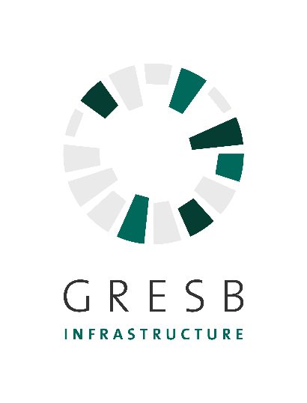
The purpose of this file is to provide participants with an offline Excel version of the 2023 Infrastructure Fund Assessment. This file is not connected to the GRESB Assessment Portal and cannot be used as a tool for populating indicator answers automatically in the Assessment Portal.

About the 2023 GRESB Assessment The GRESB Infrastructure Assessment provides investors with actionable information and tools to monitor and manage the ESG risks and opportunities of their investments, and to prepare for increasingly rigorous ESG obligations. In turn, GRESB Infrastructure Assessment participants receive comparative business intelligence on where they stand against their peers, a roadmap with actions they can take to improve their ESG performance and a communication platform to engage with investors. The GRESB Infrastructure Fund Assessment is aligned with international reporting frameworks such as GRI and PRI. The 2023 development process was focused on making minor changes to the Assessments rather than making extensive content changes. The 2023 Infrastructure Fund Assessment is composed of two components: Management and Performance. The Management component is represented by all the tabs in Green and the Performance component is represented by the indicator on Summary of entity assets RC6 where the listed assets will build the Fund's Performance Score. The changes serve the longer term development of the Assessment, support our efforts to collect high quality data and reflect the evolution of the infrastructure industry as measured by the benchmark over the last years.
Who can see my data? Data collected through the GRESB Infrastructure Assessments is only disclosed to the participants themselves and any GRESB Investors that have been granted access by the participant. GRESB Investor Members must request access to participant data in the GRESB Portal.
I would like to participate in the Assessment for the first time. Can my Assessment results remain anonymous? (Grace Period) GRESB offers property companies and funds reporting for the first-time the option not to disclose their first year Assessment results to their investors – a “Grace Period.” This period allows companies and funds a one-year period to familiarize themselves with the GRESB reporting and assessment process, without externally disclosing their results to GRESB’s Investor Members. Grace Period participant names are disclosed to GRESB’s Infrastructure Investor Members. However, Investor Members are not able to request access to Grace Period participants’ results. Grace Period participants can use the Scorecard and Benchmark Report to identify opportunities to improve their performance for next year’s Assessment. Those first-time participants wishing to participate in the Grace Period must select the option when registering to participate in the Assessment.
I have answered all Assessment questions. What should I do next? Once the Assessment is complete, you should review your draft Assessment submission and obtain any final internal approvals. Incomplete information is highlighted in the ‘Review and Submit’ page of the Portal. You will be unable to submit until you resolve all outstanding issues listed. Please note it is not possible to make changes once you have submitted your Assessment. Response check service A Response Check is a high-level pre-submission check of a participant’s Assessment response by the GRESB team. It minimizes the risk of errors that could adversely impact Assessment results.The Response Check is carried out by the GBCI Validation team and features a careful review of Assessment responses followed by a 1-hour discussion call. It can be particularly useful for first time participants.
What will GRESB do with my data? Once data is submitted online, it is stored securely and is only accessible to GRESB staff and their authorized agents (IT providers). Over the summer, the data is processed and analyzed. GRESB’s annual Assessment results are published in September each year. This year due to Covid results are currently planned to be released in October.
© 2023 GRESB BV Unless explicitly stated otherwise, all rights including those in copyright in publication are owned by or controlled for these purposes by GRESB B.V. Except as otherwise expressly permitted under copyright law or GRESB B.V’s terms and conditions, no part of this publication may be reproduced, copied, republished, downloaded, posted, broadcast or transmitted in any way without first obtaining GRESB B.V’s written permission. GRESB's portal terms apply to the use of this document.

