Instructions
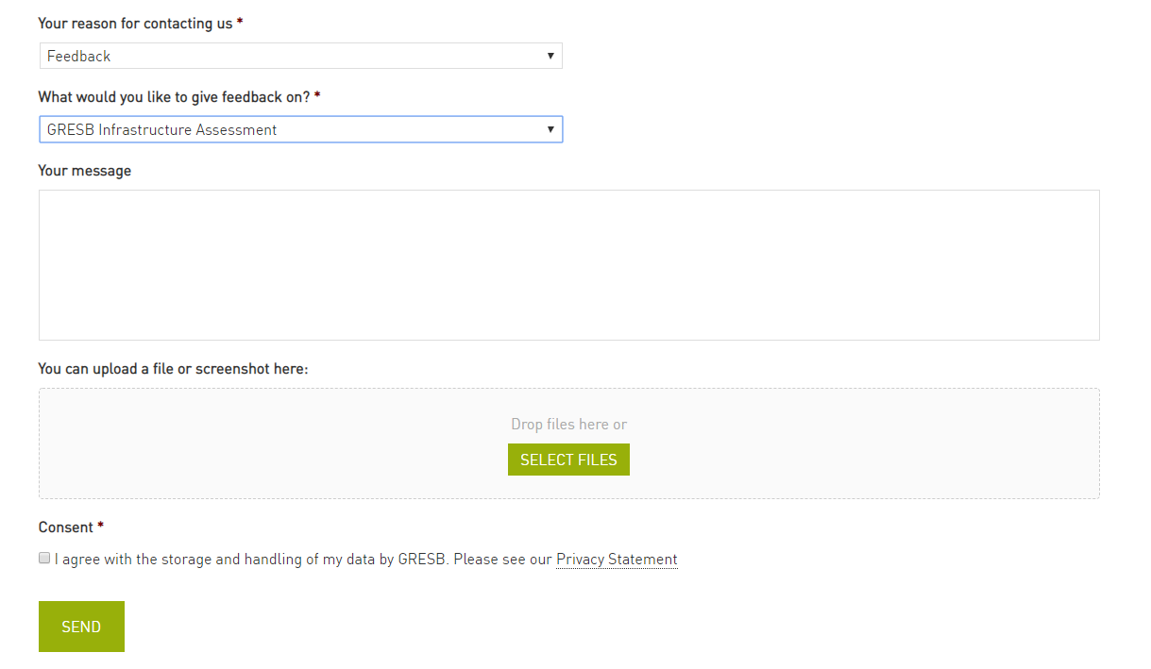

GRESB 2020 Infrastructure Asset Assessment - Materiality & Scoring Tool
Version date: 31-03-2020
BACKGROUND
This spreadsheet is a support tool for the 2020 GRESB Infrastructure Asset Assessment (https://gresb.com/infrastructure-asset-assessment/)
This tool relates to overall scoring in the assessment and in particular the materiality-based scoring process.
The tool duplicates the structure and functionality of the GRESB Materiality Assessment indicator and the scoring model.
Use of this tool is not required to complete the 2020 Asset Assessment but may be useful to those that want to better understand the GRESB approach to materiality and scoring.
Separate instructions are provided below for the GRESB Materiality Assessment and the Scoring.

GRESB MATERIALITY ASSESSMENT
The 'GRESB Materiality Assessment' sheet provides an off-line version of the GRESB Materiality Assessment so that users can understand their materiality outcomes, do their own 'what-if' analysis and provide feedback on the materiality process.
1. In this sheet, a set of 17 simple questions (column B) relating to Materiality factors (column A) should be answered using simple drop down selections (column C).
2. Note that for selecting the Primary Sector there are three nested drop down lists that must be selected in the order Superclass (cell C5), Class (C6) and Subclass (C7).
3. Each of the materiality factors is associated with one or more ESG issues, so that as the factor questions are answered, the materiality outcomes for each ESG issue are shown as materiality level (column F) and a weighting (column G).
4. Note that the materiality is fixed for seven of the 46 ESG issues (i.e. they are unaffected by the Materiality factors). These are Board ESG oversight, Conflicts of interest, Delegating authority, Fraud, Health and safety:supply chain, Shareholder rights and Stakeholder relations.
5. There are four possible materiality levels that can be assigned to ESG issues. Issues of No or Low relevance are deemed non-material and receive no score in the Assessment, issues of Medium relevance receive Medium score weighting and issues of High relevance receive a high score weighting.
6. The 'Materiality Matrix' and 'Sector Determined' sheets provide the details of how the materiality weightings are assigned based on the materiality factor answers.
7. Most indicators in the Performance Component apply materiality-based scoring. These indicators each address one specific ESG issue, so the materiality weightings directly effect the weighting of these indicators in the 'GRESB Scoring' sheet.
8. To reset the answers, select the relevant cells in column C and press "Delete"

SCORING
The 'GRESB Scoring' sheet provides an overview of the weightings and scores in the Asset Assessment.
For the Performance Component, most aspects apply materiality-based scoring (only Implementation, Output & Impact and Certification & Awards aspects do not). Thus 14 indicators are affected.
These indicators each address one specific ESG issue, so the materiality weightings from the 'GRESB Materiality Assessment' apply directly to the maximum score (weighting) of these indicators as shown in cells G44:G57.
Indicators relating to ESG issues of High relevance are weighted highly, and Medium relevance moderately. Indicators relating to issues of No or Low relevance are not scored.
The weighting of the material (scored) indicators is automatically redistributed to ensure that the Performance Component retains its overall weighting of 50% of the Asset Assessment.
If you wish to model your own scoring, then enter your entity draft scores into cells H17:H59 shaded green. Entered scores must not exceed the the maximum scores in column G.
The various GRESB Aggregate scores can be found in columns T and U.

FEEDBACK
If you have feedback on the process or outcomes from the GRESB Materiality Assessment, please provide it as follows:
1. Provide the name of the entity which completed the GRESB Infrastructure Asset Assessment in row 38 below (use your organisation name if you did not participate)
2. In the 'GRESB Materiality Assessment' sheet, select your preferred entity specific materiality using the dropdown lists (column J).
3. Provide a justification (in column J) as to why your materiality differs from the standard GRESB Materiality Assessment.
4. Go to www.gresb.com/contact/
5. Fill in the contact form selecting 'Feedback' as the reason for contacting us and select 'GRESB Infrastructure Assessment' on what you would like to give feedback on (see screenshot below).
6. Attach this completed Excel sheet and click 'Send'.

Entity Name:

Contact form:

