Instructions
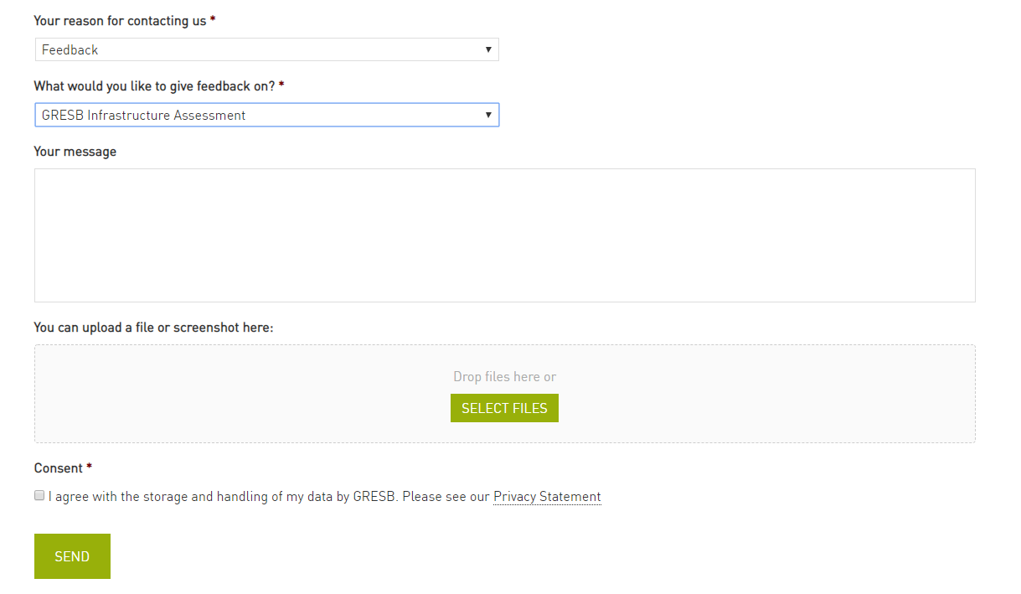
GRESB Sector Metrics List
Version date: 4-04-2019
BACKGROUND
This spreadsheet provide a list of sector metrics for the 2019 GRESB Infrastructure Asset Assessment (https://gresb.com/infrastructure-asset-assessment/)
This list relates specifically to metrics on capacity, input and output in indicator PI1.
Use of this list is not required to complete 2019 Asset Assessment but provides information on the metrics and units in the PI1 Indicator for each infrastructure sector covered by GRESB.
Follow the instructions below.

PI1-Sector Metrics
1. Check your primary sector based on the output of indicator RC3 (needs to have been completed).
2. Under Concatenated Sector (column D) select the sector relevant to your entity by using the filter.

Please note the some sectors will not have any relevant metrics.
FEEDBACK
If in disagreement with the metrics of the GRESB Sector Metrics List, feedback may be provided as follows:
1. Provide the name of the entity which completed the GRESB Infrastructure Asset Assessment in row 23 below (use your organisation name if you did not participate).
2. In the "PI Sector Metrics" sheet, select the relevant sector row.
3. Under "Feedback" in columns N,O,P provide the metric/unit and a justification for the difference in column Q.
4. Go to www.gresb.com/contact/
5. Fill in the contact form selecting 'Feedback' as the reason for contacting us and select 'GRESB Infrastructure Assessment' on what you would like to give feedback on (see screenshot below).
6. Attach this completed Excel sheet and click 'Send'.

Entity Name:

Contact form:

