Instructions
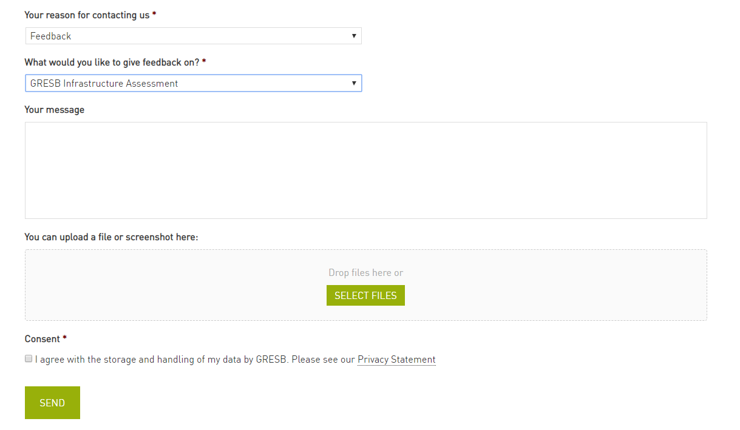
GRESB Infrastructure Asset Materiality Tool
Version date: 29-03-2019
BACKGROUND
This spreadsheet is a support tool for the 2019 GRESB Infrastructure Asset Assessment (www.gresb.com/infrastructure-asset-assessment/).
This tool relates specifically to the GRESB Materiality Assessment in indicator MA2.
The tool copies the structure and functionality of the indicator as well as displaying the affect on scoring and weighting across the assessment.
Use of this tool is not required to complete 2019 Asset Assessment but may be useful to those that want to understand the GRESB Materiality Assessment further.
Follow the instructions below.

GRESB MATERIALITY ASSESSMENT
1. Select answers from the dropdown lists in column C based on the Factors (column A) and Questions (column B)
2. The ESG issue relevant to the factor will obtain a Relevance level (column F) and a Weighting (column G)
3. Select all relevant answers to display the level of relevance of each ESG issues to your entity and their weighting for scoring in the GRESB Asset Assessment

Standard weightings apply to the following issues, these are not affected by the answers selected:
* Fiduciary duty
* Fraud
* Health and safety: supply chain
* Stakeholder relations

To reset the answers, select the relevant cells in column C and press "Delete"

SCORING AND WEIGHTING
This sheet provides an overview of the weightings and scores for each indicator in the Asset Assessment. The scoring of Performance Indicators is influenced by the outcome of the GRESB Infrastructure Materiality survey. The impact on scoring can be found in the Performance Indicator Aspect (row 43) column F.

FEEDBACK
If in disagreement with the outcome of the GRESB Materiality Assessment, feedback may be provided as follows:
1. Provide the name of the entity which completed the GRESB Infrastructure Asset Assessment in row 35 below (use your organisation name if you did not participate)
2. In the "GRESB Materiality Assessment" sheet, select a level of relevance from the dropdown that you believe is applicable to your entity (column I)
3. Provide a justification as to why the level of relevance differs from that of the GRESB Materiality Assessment (column J)
4. Go to www.gresb.com/contact/
5. Fill in the contact form selecting 'Feedback' as the reason for contacting us and select 'GRESB Infrastructure Assessment' on what you would like to give feedback on (see screenshot below).
6. Attach this completed Excel sheet and click 'Send'.

Entity Name:

Contact form:

Scoring and Weighting
GRESB Infrastructure Asset Materiality Tool

 | Indicators |  |  |  |  |  |  |  |  | Aspects
 |  |  | Score | Weight |  |  |  |  |  |  | Weight 2019 |  | Weight 2018
Aspect | Indicators |  | Maximum Score | Aspect | Implementation & Measurement | Management & Policy | Environmental | Social | Governance | Name | Maximum Score | Total (%) | Maximum Score | Total (%)
Entity Characteristics | EC1 | Name of entity | 0.00 |  |  |  |  |  |  | Entity Characteristics | 0 | 0% | 0.0 | 0%
 | EC2 | Nature of business | 0.00 |  |  |  |  |  |  | Reporting Characteristics | 0 | 0% | 0.0 | 0%
 | EC3 | Reporting period | 0.00 |  |  |  |  |  |  | Management | 10.1 | 10% | 12.3 | 12%
 | EC4 | Industry associations | 0.00 |  |  |  |  |  |  | Policy & Disclosure | 10.2 | 10% | 12.0 | 12%
 | EC5 | Commencement of operation | 0.00 |  |  |  |  |  |  | Risks & Opportunities | 21.3 | 21% | 22.2 | 22%
Reporting Characteristics | RC1 | Reporting currency | 0.00 |  |  |  |  |  |  | Monitoring & EMS | 10.1 | 10% | 10.2 | 10%
 | RC2 | Economic size (in millions) | 0.00 |  |  |  |  |  |  | Stakeholder Engagement | 10.1 | 10% | 10.4 | 10%
 | RC3 | Facility details | 0.00 |  |  |  |  |  |  | Performance Indicators | 35.8 | 36% | 30.1 | 30%
 | RC4 | Asset description | 0.00 |  |  |  |  |  |  | Certifications & Awards | 2.5 | 2% | 2.5 | 3%
Management | MA1 | Entity materiality assessment | 1.00 | 10% |  | 3% |  |  | 3%
 | MA2 | GRESB Materiality Assessment | 0.00
 | MA3 | ESG specific objectives | 2.20 | 22% |  | 6% |  |  | 6% | Aggregates
 | MA4 | Individual responsible for implementing ESG objectives | 1.00 | 10% |  | 3% |  |  | 3% |  | Weight 2019 |  | Weight 2018
 | MA5 | Senior decision-maker accountable for ESG issues | 1.00 | 10% |  | 3% |  |  | 3% | Name | Maximum Score | Total (%) | Maximum Score | Total (%)
 | MA6 | ESG factors in personnel performance targets | 2.20 | 22% |  | 6% |  |  | 6% | Total | 100.05 | 100% | 99.7 | 100%
 | MA7 | ESG-related training | 2.70 | 27% | 5% |  |  |  | 7% | Management & Policy | 39.7 | 40% | 49.0 | 49%
Policy & Disclosure | PD1 | Policies on environmental issues | 1.70 | 17% |  | 4% | 6% |  |  | Implementation & Measurement | 60.4 | 60% | 50.7 | 51%
 | PD2 | Policies on social issues | 1.70 | 17% |  | 4% |  | 6% |  | Environment | 30.2 | 30% | 33.2 | 33%
 | PD3 | Policies on governance issues | 1.70 | 17% |  | 4% |  |  | 4% | Social | 30.5 | 30% | 11.7 | 12%
 | PD4 | Disclosure of ESG actions and/or performance | 1.70 | 17% |  | 4% |  |  | 4% | Governance | 39.4 | 39% | 54.8 | 55%
 | PD5 | Third-party review of ESG disclosure | 1.70 | 17% |  | 4% |  |  | 4%
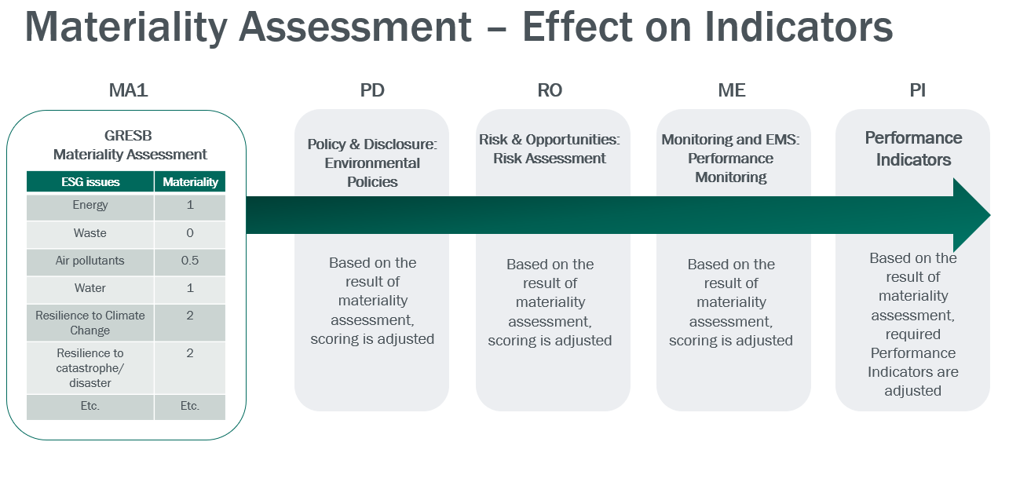
Materiality-Based Scoring
 | PD6 | Process for communication of ESG-related misconduct, penalties, incidents or accidents | 1.70 | 17% |  | 4% |  |  | 4%
 | PD7 | Involvement in ESG-related misconduct, penalties, incidents | 0.00 | 0%
Risks & Opportunities | RO1 | Environmental risk assessment | 3.80 | 18% |  | 10% | 13%
 | RO2 | Social risk assessment | 3.80 | 18% |  | 10% |  | 13%
 | RO3 | Governance risk assessment | 3.80 | 18% |  | 10% |  |  | 10%
 | RO4 | Actions taken to mitigate ESG related risk or improve ESG performance | 9.90 | 46% |  | 18% |  |  | 25%
Monitoring & EMS | ME1 | Alignment and/or accreditation to ESG-related management standards | 4.40 | 44% |  | 11% |  |  | 11%
 | ME2 | Monitoring of environmental performance | 1.90 | 19% | 3% |  | 6%
 | ME3 | Monitoring of social performance | 1.90 | 19% | 3% |  |  | 7%
 | ME4 | Monitoring of governance performance | 1.90 | 19% | 3% |  |  |  | 5%
Stakeholder Engagement | SE1 | Stakeholder engagement program | 2.50 | 25% |  | 6% |  | 9%
 | SE2 | Actions taken to implement stakeholder engagement program | 2.50 | 25% | 4% |  |  | 9%
 | SE3 | Process for stakeholders to communicate grievances | 2.50 | 25% |  | 6% |  | 9%
 | SE4 | Reporting of stakeholder grievances | 0.00
 | SE5 | ESG requirements in procurement processes to drive sustainable procurement | 1.30 | 13% |  | 3% |  | 5%
 | SE6 | Engagement with supply chains on ESG requirements | 1.30 | 13% | 2% |  |  | 5%
Performance Indicators | PI1 |  | 0.00 | 0%
 | PI2.0 | Health and safety: employees | 3.25 | 9% | 6% |  |  | 11%
 | PI2.1 | Health and safety: contractors | 3.25 | 9% | 6% |  |  | 11%
 | PI2.2 | Health and safety: customers | 3.25 | 9% | 6% |  |  | 11%
 | PI2.3 | Health and safety: community | 3.25 | 9% | 6% |  |  | 11%
 | PI3 | Energy | 3.25 | 9% | 6% |  | 11%
 | PI4 | Greenhouse gas emissions | 3.25 | 9% | 6% |  | 11%
 | PI5 | Air pollutants | 3.25 | 9% | 6% |  | 11%
 | PI6.0 | Water use/withdrawal | 3.25 | 9% | 6% |  | 11%
 | PI6.1 | Water discharge/pollution | 3.25 | 9% | 6% |  | 11%
 | PI7 | Waste | 3.25 | 9% | 6% |  | 11%
 | PI8 | Biodiversity and habitat | 3.25 | 9% | 6% |  | 11%
 | PI9.0 | Customer satisfaction | 0.00
 | PI9.1 | Customer satisfaction | 0.00
 | PI10.0 | Employee satisfaction | 0.00
 | PI10.1 | Employee satisfaction | 0.00
 | PI11 | Gender and diversity | 0.00
Certifications & Awards | CA1 | Asset-level certifications for ESG-related management and/or performance | 2.50 | 100% | 4% |  |  |  | 6%
 | CA2 | Awards for ESG-related actions, performance, or achievements | 0.00 | 0%

